Sheet1
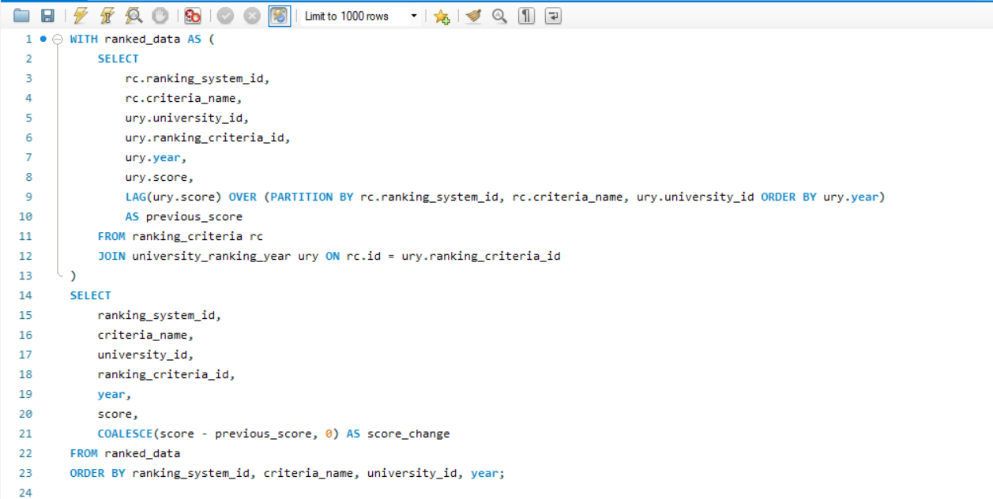
1. What is the trend in university rankings over the years according to each system?

Sheet3
Trend in university rankings over the years according to each system
Row Labels | Average of score
1 | 57.95
2011 | 55.75
2012 | 55.90
2013 | 59.10
2014 | 56.75
2015 | 58.10
2016 | 65.19
2 | 35.29
2005 | 35.89
2006 | 35.78
2007 | 35.41
2008 | 35.70
2009 | 35.53
2010 | 35.11
2011 | 35.31
2012 | 35.05
2013 | 35.22
2014 | 34.52
2015 | 34.64
3 | 328.17
2012 | 60.21
2013 | 60.18
2014 | 348.54
2015 | 361.39
Grand Total | 214.35

